LCOS
GoalSeek (PPA)
Levelised Cost of Storage: Technoeconomic Analysis Model
LCOS ($/MWh): | $/MWh | $150.00 | $150.00 | $150.00 | $150.00 |  | $150.00 | Desired LCOS ($/MWh)
 |  | Adiabatic (A-CAES) | Adiabatic+Isobaric (AI-CAES) | Multilevel (MLAI-CAES) | Pumped Hydro (PHS)
Project
Project Life (t) | Years | 60 | 60 | 60 | 60 |  | Legend
Rated Power Output (MW) | MW | 500 | 500 | 500 | 570 |  |  | = User Input
Rated Power Duration (Hours) | Hours | 8 | 8 | 8 | 12 |  |  | = GoalSeek Variable
Rated Power Storage (MWh) | MWh | 4,000 | 4,000 | 4,000 | 6,840 |  |  | = Calculation
Roundtrip Efficiency (RTE) | Percent | 65.0% | 70.0% | 75.0% | 80.0%
Revenue
PPA Term Length | Years | 15 | 15 | 15 | 15
PPA 1 | $/MWh | $74.40 | $89.26 | $114.03 | $73.77
PPA 2 | $/MWh | $49.85 | $59.81 | $76.40 | $49.43
PPA 3 | $/MWh | $33.40 | $40.07 | $51.19 | $33.12
PPA 4 | $/MWh | $22.38 | $26.85 | $34.30 | $22.19
Expenses
Initial CAPEX Investment (I0) | $ Amount | $1,500,000,000 | $1,800,000,000 | $2,300,000,000 | $2,543,625,000
Annual O&M (% of Initial CAPEX) | Percent | 2.5% | 2.5% | 2.5% | 2.5%
Annual O&M Cost | $ Amount | $37,500,000 | $45,000,000 | $57,500,000 | $63,590,625
Salvage Value (% of Initial CAPEX) | Percent | 5.0% | 5.0% | 5.0% | 5.0%
Salvage Value: |  | $75,000,000 | $90,000,000 | $115,000,000 | $127,181,250
Financing
Equity (E) | Percent | 30% | 30% | 30% | 30%
Debt (D) | Percent | 70% | 70% | 70% | 70%
Equity (E) Value | $ Amount | $450,000,000 | $540,000,000 | $690,000,000 | $763,087,500
Debt (D) Value | $ Amount | $1,050,000,000 | $1,260,000,000 | $1,610,000,000 | $1,780,537,500
Cost of Equity, i.e. IRR (rE) | Percent | 12.0% | 12.0% | 12.0% | 12.0%
Cost of Debt, i.e. interest rate (rD) | Percent | 4.0% | 4.0% | 4.0% | 4.0%
Corporate Tax Rate (Tc) | Percent | 28.0% | 28.0% | 28.0% | 28.0%
WACCnominal | Percent | 5.62% | 5.62% | 5.62% | 5.62%
Inflation Rate | Percent | 3.5% | 3.5% | 3.5% | 3.5%
WACCreal (i.e. Discount Rate, d) | Percent | 2.04% | 2.04% | 2.04% | 2.04%
Levelised Cost of Storage (LCOS)
Net Present Value (NPV) | $ Amount | $3,071,486 | $3,020,570 | $3,020,762 | $4,720,446
CAPEXPV | $/MW | $6,142.97 | $6,041.14 | $6,041.52 | $8,281.48
O&Mfixed | $/MW-year | $153.57 | $151.03 | $151.04 | $207.04
Capital Recovery Factor (CRF) | Percent | 2.9% | 2.9% | 2.9% | 2.9%
Annual Depreciation Factor | Percent | 1.7% | 1.7% | 1.7% | 1.7%
Fixed Charge Rate (FCR) | Percent | 4.6% | 4.7% | 4.7% | 5.4%
Annual Hours Discharged (AH) | Hours | 2,920 | 2,920 | 2,920 | 4,380
Cost of Purchased Electricity | $/kWh | $0.10 | $0.10 | $0.10 | $0.10
Electricity Charging Cost (ECC) | $/kWh-discharged | $0.15 | $0.14 | $0.13 | $0.13
Construction
Construction Duration | Years | 5 | 6 | 6 | 10
ConFinFactor | (unitless) | 1.15 | 1.18 | 1.18 | 1.35
Dates
Construction Start Date | Date | 2030 | 2030 | 2030 | 2030
Operational Start Date | Date | 2035 | 2036 | 2036 | 2040
Project End Date | Date | 2094 | 2095 | 2095 | 2099

 |  | Adiabatic (A-CAES) Annual Cash Flows |  |  |  |  |  |  | Adiabatic+Isobaric (AI-CAES) Annual Cash Flows |  |  |  |  |  |  | Multilevel (MLAI-CAES) Annual Cash Flows |  |  |  |  |  |  | Pumped Hydro (PHS) Annual Cash Flows
 | Column Totals: | $(1,500,000,000) | $(2,250,000,000) | $3,866,642,354 | $75,000,000 | $399,000,000 | $590,642,354 | $3,071,486 | $(1,800,000,000) | $(2,700,000,000) | $4,638,958,861 | $90,000,000 | $478,800,000 | $707,758,861 | $3,020,570 | $(2,300,000,000) | $(3,450,000,000) | $5,926,282,423 | $115,000,000 | $611,800,000 | $903,082,423 | $3,020,762 | $(2,543,625,000) | $(3,815,437,500) | $6,556,116,355 | $127,181,250 | $676,604,250 | $1,000,839,355 | $4,720,446
Date (Year) | PPA Term | CAPEX | O&M | Electricity Revenue | Salvage | Depreciation (Tax Shield) | Nominal Total | PV Total | CAPEX | O&M | Electricity Revenue | Salvage | Depreciation (Tax Shield) | Nominal Total | PV Total | CAPEX | O&M | Electricity Revenue | Salvage | Depreciation (Tax Shield) | Nominal Total | PV Total | CAPEX | O&M | Electricity Revenue | Salvage | Depreciation (Tax Shield) | Nominal Total | PV Total
2035 |  | $(1,500,000,000) |  |  |  |  | $(1,500,000,000) | $(1,500,000,000) | $(1,800,000,000) |  |  |  |  | $(1,800,000,000) | $(1,800,000,000) | $(2,300,000,000) |  |  |  |  | $(2,300,000,000) | $(2,300,000,000) | $(2,543,625,000) |  |  |  |  | $(2,543,625,000) | $(2,543,625,000)
2035 | PPA 1 |  | $(37,500,000) | $108,626,645 |  | $6,650,000 | $77,776,645 | $76,218,403 |  | $(45,000,000) | $130,323,545 |  | $7,980,000 | $93,303,545 | $91,434,223 |  | $(57,500,000) | $166,488,680 |  | $10,196,667 | $119,185,346 | $116,797,487 |  | $(63,590,625) | $184,182,777 |  | $11,276,738 | $131,868,890 | $129,226,917
2036 | PPA 1 |  | $(37,500,000) | $108,626,645 |  | $6,650,000 | $77,776,645 | $74,691,379 |  | $(45,000,000) | $130,323,545 |  | $7,980,000 | $93,303,545 | $89,602,353 |  | $(57,500,000) | $166,488,680 |  | $10,196,667 | $119,185,346 | $114,457,467 |  | $(63,590,625) | $184,182,777 |  | $11,276,738 | $131,868,890 | $126,637,876
2037 | PPA 1 |  | $(37,500,000) | $108,626,645 |  | $6,650,000 | $77,776,645 | $73,194,949 |  | $(45,000,000) | $130,323,545 |  | $7,980,000 | $93,303,545 | $87,807,184 |  | $(57,500,000) | $166,488,680 |  | $10,196,667 | $119,185,346 | $112,164,330 |  | $(63,590,625) | $184,182,777 |  | $11,276,738 | $131,868,890 | $124,100,706
2038 | PPA 1 |  | $(37,500,000) | $108,626,645 |  | $6,650,000 | $77,776,645 | $71,728,499 |  | $(45,000,000) | $130,323,545 |  | $7,980,000 | $93,303,545 | $86,047,981 |  | $(57,500,000) | $166,488,680 |  | $10,196,667 | $119,185,346 | $109,917,135 |  | $(63,590,625) | $184,182,777 |  | $11,276,738 | $131,868,890 | $121,614,368
2039 | PPA 1 |  | $(37,500,000) | $108,626,645 |  | $6,650,000 | $77,776,645 | $70,291,430 |  | $(45,000,000) | $130,323,545 |  | $7,980,000 | $93,303,545 | $84,324,023 |  | $(57,500,000) | $166,488,680 |  | $10,196,667 | $119,185,346 | $107,714,962 |  | $(63,590,625) | $184,182,777 |  | $11,276,738 | $131,868,890 | $119,177,843
2040 | PPA 1 |  | $(37,500,000) | $108,626,645 |  | $6,650,000 | $77,776,645 | $68,883,152 |  | $(45,000,000) | $130,323,545 |  | $7,980,000 | $93,303,545 | $82,634,604 |  | $(57,500,000) | $166,488,680 |  | $10,196,667 | $119,185,346 | $105,556,910 |  | $(63,590,625) | $184,182,777 |  | $11,276,738 | $131,868,890 | $116,790,134
2041 | PPA 1 |  | $(37,500,000) | $108,626,645 |  | $6,650,000 | $77,776,645 | $67,503,089 |  | $(45,000,000) | $130,323,545 |  | $7,980,000 | $93,303,545 | $80,979,033 |  | $(57,500,000) | $166,488,680 |  | $10,196,667 | $119,185,346 | $103,442,094 |  | $(63,590,625) | $184,182,777 |  | $11,276,738 | $131,868,890 | $114,450,262
2042 | PPA 1 |  | $(37,500,000) | $108,626,645 |  | $6,650,000 | $77,776,645 | $66,150,675 |  | $(45,000,000) | $130,323,545 |  | $7,980,000 | $93,303,545 | $79,356,631 |  | $(57,500,000) | $166,488,680 |  | $10,196,667 | $119,185,346 | $101,369,648 |  | $(63,590,625) | $184,182,777 |  | $11,276,738 | $131,868,890 | $112,157,269
2043 | PPA 1 |  | $(37,500,000) | $108,626,645 |  | $6,650,000 | $77,776,645 | $64,825,357 |  | $(45,000,000) | $130,323,545 |  | $7,980,000 | $93,303,545 | $77,766,733 |  | $(57,500,000) | $166,488,680 |  | $10,196,667 | $119,185,346 | $99,338,723 |  | $(63,590,625) | $184,182,777 |  | $11,276,738 | $131,868,890 | $109,910,215
2044 | PPA 1 |  | $(37,500,000) | $108,626,645 |  | $6,650,000 | $77,776,645 | $63,526,591 |  | $(45,000,000) | $130,323,545 |  | $7,980,000 | $93,303,545 | $76,208,689 |  | $(57,500,000) | $166,488,680 |  | $10,196,667 | $119,185,346 | $97,348,487 |  | $(63,590,625) | $184,182,777 |  | $11,276,738 | $131,868,890 | $107,708,181
2045 | PPA 1 |  | $(37,500,000) | $108,626,645 |  | $6,650,000 | $77,776,645 | $62,253,846 |  | $(45,000,000) | $130,323,545 |  | $7,980,000 | $93,303,545 | $74,681,860 |  | $(57,500,000) | $166,488,680 |  | $10,196,667 | $119,185,346 | $95,398,125 |  | $(63,590,625) | $184,182,777 |  | $11,276,738 | $131,868,890 | $105,550,265
2046 | PPA 1 |  | $(37,500,000) | $108,626,645 |  | $6,650,000 | $77,776,645 | $61,006,600 |  | $(45,000,000) | $130,323,545 |  | $7,980,000 | $93,303,545 | $73,185,620 |  | $(57,500,000) | $166,488,680 |  | $10,196,667 | $119,185,346 | $93,486,839 |  | $(63,590,625) | $184,182,777 |  | $11,276,738 | $131,868,890 | $103,435,582
2047 | PPA 1 |  | $(37,500,000) | $108,626,645 |  | $6,650,000 | $77,776,645 | $59,784,342 |  | $(45,000,000) | $130,323,545 |  | $7,980,000 | $93,303,545 | $71,719,358 |  | $(57,500,000) | $166,488,680 |  | $10,196,667 | $119,185,346 | $91,613,845 |  | $(63,590,625) | $184,182,777 |  | $11,276,738 | $131,868,890 | $101,363,266
2048 | PPA 1 |  | $(37,500,000) | $108,626,645 |  | $6,650,000 | $77,776,645 | $58,586,572 |  | $(45,000,000) | $130,323,545 |  | $7,980,000 | $93,303,545 | $70,282,472 |  | $(57,500,000) | $166,488,680 |  | $10,196,667 | $119,185,346 | $89,778,376 |  | $(63,590,625) | $184,182,777 |  | $11,276,738 | $131,868,890 | $99,332,469
2049 | PPA 2 |  | $(37,500,000) | $72,779,852 |  | $6,650,000 | $41,929,852 | $30,951,582 |  | $(45,000,000) | $87,316,775 |  | $7,980,000 | $50,296,775 | $37,127,838 |  | $(57,500,000) | $111,547,415 |  | $10,196,667 | $64,244,082 | $47,423,395 |  | $(63,590,625) | $123,402,461 |  | $11,276,738 | $71,088,573 | $52,475,830
2050 | PPA 2 |  | $(37,500,000) | $72,779,852 |  | $6,650,000 | $41,929,852 | $30,331,472 |  | $(45,000,000) | $87,316,775 |  | $7,980,000 | $50,296,775 | $36,383,987 |  | $(57,500,000) | $111,547,415 |  | $10,196,667 | $64,244,082 | $46,473,275 |  | $(63,590,625) | $123,402,461 |  | $11,276,738 | $71,088,573 | $51,424,485
2051 | PPA 2 |  | $(37,500,000) | $72,779,852 |  | $6,650,000 | $41,929,852 | $29,723,786 |  | $(45,000,000) | $87,316,775 |  | $7,980,000 | $50,296,775 | $35,655,040 |  | $(57,500,000) | $111,547,415 |  | $10,196,667 | $64,244,082 | $45,542,190 |  | $(63,590,625) | $123,402,461 |  | $11,276,738 | $71,088,573 | $50,394,203
2052 | PPA 2 |  | $(37,500,000) | $72,779,852 |  | $6,650,000 | $41,929,852 | $29,128,274 |  | $(45,000,000) | $87,316,775 |  | $7,980,000 | $50,296,775 | $34,940,697 |  | $(57,500,000) | $111,547,415 |  | $10,196,667 | $64,244,082 | $44,629,759 |  | $(63,590,625) | $123,402,461 |  | $11,276,738 | $71,088,573 | $49,384,563
2053 | PPA 2 |  | $(37,500,000) | $72,779,852 |  | $6,650,000 | $41,929,852 | $28,544,694 |  | $(45,000,000) | $87,316,775 |  | $7,980,000 | $50,296,775 | $34,240,665 |  | $(57,500,000) | $111,547,415 |  | $10,196,667 | $64,244,082 | $43,735,609 |  | $(63,590,625) | $123,402,461 |  | $11,276,738 | $71,088,573 | $48,395,151
2054 | PPA 2 |  | $(37,500,000) | $72,779,852 |  | $6,650,000 | $41,929,852 | $27,972,805 |  | $(45,000,000) | $87,316,775 |  | $7,980,000 | $50,296,775 | $33,554,659 |  | $(57,500,000) | $111,547,415 |  | $10,196,667 | $64,244,082 | $42,859,373 |  | $(63,590,625) | $123,402,461 |  | $11,276,738 | $71,088,573 | $47,425,562
2055 | PPA 2 |  | $(37,500,000) | $72,779,852 |  | $6,650,000 | $41,929,852 | $27,412,375 |  | $(45,000,000) | $87,316,775 |  | $7,980,000 | $50,296,775 | $32,882,397 |  | $(57,500,000) | $111,547,415 |  | $10,196,667 | $64,244,082 | $42,000,692 |  | $(63,590,625) | $123,402,461 |  | $11,276,738 | $71,088,573 | $46,475,398
2056 | PPA 2 |  | $(37,500,000) | $72,779,852 |  | $6,650,000 | $41,929,852 | $26,863,172 |  | $(45,000,000) | $87,316,775 |  | $7,980,000 | $50,296,775 | $32,223,603 |  | $(57,500,000) | $111,547,415 |  | $10,196,667 | $64,244,082 | $41,159,215 |  | $(63,590,625) | $123,402,461 |  | $11,276,738 | $71,088,573 | $45,544,271
2057 | PPA 2 |  | $(37,500,000) | $72,779,852 |  | $6,650,000 | $41,929,852 | $26,324,972 |  | $(45,000,000) | $87,316,775 |  | $7,980,000 | $50,296,775 | $31,578,008 |  | $(57,500,000) | $111,547,415 |  | $10,196,667 | $64,244,082 | $40,334,597 |  | $(63,590,625) | $123,402,461 |  | $11,276,738 | $71,088,573 | $44,631,799
2058 | PPA 2 |  | $(37,500,000) | $72,779,852 |  | $6,650,000 | $41,929,852 | $25,797,556 |  | $(45,000,000) | $87,316,775 |  | $7,980,000 | $50,296,775 | $30,945,348 |  | $(57,500,000) | $111,547,415 |  | $10,196,667 | $64,244,082 | $39,526,499 |  | $(63,590,625) | $123,402,461 |  | $11,276,738 | $71,088,573 | $43,737,608
2059 | PPA 2 |  | $(37,500,000) | $72,779,852 |  | $6,650,000 | $41,929,852 | $25,280,706 |  | $(45,000,000) | $87,316,775 |  | $7,980,000 | $50,296,775 | $30,325,363 |  | $(57,500,000) | $111,547,415 |  | $10,196,667 | $64,244,082 | $38,734,592 |  | $(63,590,625) | $123,402,461 |  | $11,276,738 | $71,088,573 | $42,861,331
2060 | PPA 2 |  | $(37,500,000) | $72,779,852 |  | $6,650,000 | $41,929,852 | $24,774,211 |  | $(45,000,000) | $87,316,775 |  | $7,980,000 | $50,296,775 | $29,717,799 |  | $(57,500,000) | $111,547,415 |  | $10,196,667 | $64,244,082 | $37,958,551 |  | $(63,590,625) | $123,402,461 |  | $11,276,738 | $71,088,573 | $42,002,611
2061 | PPA 2 |  | $(37,500,000) | $72,779,852 |  | $6,650,000 | $41,929,852 | $24,277,863 |  | $(45,000,000) | $87,316,775 |  | $7,980,000 | $50,296,775 | $29,122,407 |  | $(57,500,000) | $111,547,415 |  | $10,196,667 | $64,244,082 | $37,198,057 |  | $(63,590,625) | $123,402,461 |  | $11,276,738 | $71,088,573 | $41,161,096
2062 | PPA 2 |  | $(37,500,000) | $72,779,852 |  | $6,650,000 | $41,929,852 | $23,791,460 |  | $(45,000,000) | $87,316,775 |  | $7,980,000 | $50,296,775 | $28,538,944 |  | $(57,500,000) | $111,547,415 |  | $10,196,667 | $64,244,082 | $36,452,800 |  | $(63,590,625) | $123,402,461 |  | $11,276,738 | $71,088,573 | $40,336,440
2063 | PPA 2 |  | $(37,500,000) | $72,779,852 |  | $6,650,000 | $41,929,852 | $23,314,802 |  | $(45,000,000) | $87,316,775 |  | $7,980,000 | $50,296,775 | $27,967,171 |  | $(57,500,000) | $111,547,415 |  | $10,196,667 | $64,244,082 | $35,722,474 |  | $(63,590,625) | $123,402,461 |  | $11,276,738 | $71,088,573 | $39,528,305
2064 | PPA 3 |  | $(37,500,000) | $48,762,501 |  | $6,650,000 | $17,912,501 | $9,760,572 |  | $(45,000,000) | $58,502,239 |  | $7,980,000 | $21,482,239 | $11,705,732 |  | $(57,500,000) | $74,736,768 |  | $10,196,667 | $27,433,435 | $14,948,555 |  | $(63,590,625) | $82,679,649 |  | $11,276,738 | $30,365,761 | $16,546,388
2065 | PPA 3 |  | $(37,500,000) | $48,762,501 |  | $6,650,000 | $17,912,501 | $9,565,020 |  | $(45,000,000) | $58,502,239 |  | $7,980,000 | $21,482,239 | $11,471,210 |  | $(57,500,000) | $74,736,768 |  | $10,196,667 | $27,433,435 | $14,649,063 |  | $(63,590,625) | $82,679,649 |  | $11,276,738 | $30,365,761 | $16,214,884
2066 | PPA 3 |  | $(37,500,000) | $48,762,501 |  | $6,650,000 | $17,912,501 | $9,373,387 |  | $(45,000,000) | $58,502,239 |  | $7,980,000 | $21,482,239 | $11,241,386 |  | $(57,500,000) | $74,736,768 |  | $10,196,667 | $27,433,435 | $14,355,572 |  | $(63,590,625) | $82,679,649 |  | $11,276,738 | $30,365,761 | $15,890,021
2067 | PPA 3 |  | $(37,500,000) | $48,762,501 |  | $6,650,000 | $17,912,501 | $9,185,592 |  | $(45,000,000) | $58,502,239 |  | $7,980,000 | $21,482,239 | $11,016,166 |  | $(57,500,000) | $74,736,768 |  | $10,196,667 | $27,433,435 | $14,067,960 |  | $(63,590,625) | $82,679,649 |  | $11,276,738 | $30,365,761 | $15,571,667
2068 | PPA 3 |  | $(37,500,000) | $48,762,501 |  | $6,650,000 | $17,912,501 | $9,001,560 |  | $(45,000,000) | $58,502,239 |  | $7,980,000 | $21,482,239 | $10,795,459 |  | $(57,500,000) | $74,736,768 |  | $10,196,667 | $27,433,435 | $13,786,111 |  | $(63,590,625) | $82,679,649 |  | $11,276,738 | $30,365,761 | $15,259,691
2069 | PPA 3 |  | $(37,500,000) | $48,762,501 |  | $6,650,000 | $17,912,501 | $8,821,216 |  | $(45,000,000) | $58,502,239 |  | $7,980,000 | $21,482,239 | $10,579,174 |  | $(57,500,000) | $74,736,768 |  | $10,196,667 | $27,433,435 | $13,509,908 |  | $(63,590,625) | $82,679,649 |  | $11,276,738 | $30,365,761 | $14,953,966
2070 | PPA 3 |  | $(37,500,000) | $48,762,501 |  | $6,650,000 | $17,912,501 | $8,644,484 |  | $(45,000,000) | $58,502,239 |  | $7,980,000 | $21,482,239 | $10,367,222 |  | $(57,500,000) | $74,736,768 |  | $10,196,667 | $27,433,435 | $13,239,239 |  | $(63,590,625) | $82,679,649 |  | $11,276,738 | $30,365,761 | $14,654,365
2071 | PPA 3 |  | $(37,500,000) | $48,762,501 |  | $6,650,000 | $17,912,501 | $8,471,293 |  | $(45,000,000) | $58,502,239 |  | $7,980,000 | $21,482,239 | $10,159,516 |  | $(57,500,000) | $74,736,768 |  | $10,196,667 | $27,433,435 | $12,973,993 |  | $(63,590,625) | $82,679,649 |  | $11,276,738 | $30,365,761 | $14,360,767
2072 | PPA 3 |  | $(37,500,000) | $48,762,501 |  | $6,650,000 | $17,912,501 | $8,301,572 |  | $(45,000,000) | $58,502,239 |  | $7,980,000 | $21,482,239 | $9,955,972 |  | $(57,500,000) | $74,736,768 |  | $10,196,667 | $27,433,435 | $12,714,061 |  | $(63,590,625) | $82,679,649 |  | $11,276,738 | $30,365,761 | $14,073,052
2073 | PPA 3 |  | $(37,500,000) | $48,762,501 |  | $6,650,000 | $17,912,501 | $8,135,251 |  | $(45,000,000) | $58,502,239 |  | $7,980,000 | $21,482,239 | $9,756,506 |  | $(57,500,000) | $74,736,768 |  | $10,196,667 | $27,433,435 | $12,459,337 |  | $(63,590,625) | $82,679,649 |  | $11,276,738 | $30,365,761 | $13,791,100
2074 | PPA 3 |  | $(37,500,000) | $48,762,501 |  | $6,650,000 | $17,912,501 | $7,972,263 |  | $(45,000,000) | $58,502,239 |  | $7,980,000 | $21,482,239 | $9,561,035 |  | $(57,500,000) | $74,736,768 |  | $10,196,667 | $27,433,435 | $12,209,716 |  | $(63,590,625) | $82,679,649 |  | $11,276,738 | $30,365,761 | $13,514,798
2075 | PPA 3 |  | $(37,500,000) | $48,762,501 |  | $6,650,000 | $17,912,501 | $7,812,540 |  | $(45,000,000) | $58,502,239 |  | $7,980,000 | $21,482,239 | $9,369,482 |  | $(57,500,000) | $74,736,768 |  | $10,196,667 | $27,433,435 | $11,965,096 |  | $(63,590,625) | $82,679,649 |  | $11,276,738 | $30,365,761 | $13,244,031
2076 | PPA 3 |  | $(37,500,000) | $48,762,501 |  | $6,650,000 | $17,912,501 | $7,656,017 |  | $(45,000,000) | $58,502,239 |  | $7,980,000 | $21,482,239 | $9,181,766 |  | $(57,500,000) | $74,736,768 |  | $10,196,667 | $27,433,435 | $11,725,377 |  | $(63,590,625) | $82,679,649 |  | $11,276,738 | $30,365,761 | $12,978,689
2077 | PPA 3 |  | $(37,500,000) | $48,762,501 |  | $6,650,000 | $17,912,501 | $7,502,630 |  | $(45,000,000) | $58,502,239 |  | $7,980,000 | $21,482,239 | $8,997,810 |  | $(57,500,000) | $74,736,768 |  | $10,196,667 | $27,433,435 | $11,490,461 |  | $(63,590,625) | $82,679,649 |  | $11,276,738 | $30,365,761 | $12,718,663
2078 | PPA 3 |  | $(37,500,000) | $48,762,501 |  | $6,650,000 | $17,912,501 | $7,352,316 |  | $(45,000,000) | $58,502,239 |  | $7,980,000 | $21,482,239 | $8,817,541 |  | $(57,500,000) | $74,736,768 |  | $10,196,667 | $27,433,435 | $11,260,252 |  | $(63,590,625) | $82,679,649 |  | $11,276,738 | $30,365,761 | $12,463,846
2079 | PPA 4 |  | $(37,500,000) | $32,670,876 |  | $6,650,000 | $1,820,876 | $732,418 |  | $(45,000,000) | $39,196,500 |  | $7,980,000 | $2,176,500 | $875,462 |  | $(57,500,000) | $50,073,635 |  | $10,196,667 | $2,770,301 | $1,114,309 |  | $(63,590,625) | $55,395,365 |  | $11,276,738 | $3,081,477 | $1,239,474
2080 | PPA 4 |  | $(37,500,000) | $32,670,876 |  | $6,650,000 | $1,820,876 | $717,744 |  | $(45,000,000) | $39,196,500 |  | $7,980,000 | $2,176,500 | $857,922 |  | $(57,500,000) | $50,073,635 |  | $10,196,667 | $2,770,301 | $1,091,984 |  | $(63,590,625) | $55,395,365 |  | $11,276,738 | $3,081,477 | $1,214,642
2081 | PPA 4 |  | $(37,500,000) | $32,670,876 |  | $6,650,000 | $1,820,876 | $703,364 |  | $(45,000,000) | $39,196,500 |  | $7,980,000 | $2,176,500 | $840,734 |  | $(57,500,000) | $50,073,635 |  | $10,196,667 | $2,770,301 | $1,070,106 |  | $(63,590,625) | $55,395,365 |  | $11,276,738 | $3,081,477 | $1,190,306
2082 | PPA 4 |  | $(37,500,000) | $32,670,876 |  | $6,650,000 | $1,820,876 | $689,272 |  | $(45,000,000) | $39,196,500 |  | $7,980,000 | $2,176,500 | $823,890 |  | $(57,500,000) | $50,073,635 |  | $10,196,667 | $2,770,301 | $1,048,667 |  | $(63,590,625) | $55,395,365 |  | $11,276,738 | $3,081,477 | $1,166,459
2083 | PPA 4 |  | $(37,500,000) | $32,670,876 |  | $6,650,000 | $1,820,876 | $675,463 |  | $(45,000,000) | $39,196,500 |  | $7,980,000 | $2,176,500 | $807,383 |  | $(57,500,000) | $50,073,635 |  | $10,196,667 | $2,770,301 | $1,027,657 |  | $(63,590,625) | $55,395,365 |  | $11,276,738 | $3,081,477 | $1,143,089
2084 | PPA 4 |  | $(37,500,000) | $32,670,876 |  | $6,650,000 | $1,820,876 | $661,930 |  | $(45,000,000) | $39,196,500 |  | $7,980,000 | $2,176,500 | $791,208 |  | $(57,500,000) | $50,073,635 |  | $10,196,667 | $2,770,301 | $1,007,068 |  | $(63,590,625) | $55,395,365 |  | $11,276,738 | $3,081,477 | $1,120,187
2085 | PPA 4 |  | $(37,500,000) | $32,670,876 |  | $6,650,000 | $1,820,876 | $648,668 |  | $(45,000,000) | $39,196,500 |  | $7,980,000 | $2,176,500 | $775,356 |  | $(57,500,000) | $50,073,635 |  | $10,196,667 | $2,770,301 | $986,891 |  | $(63,590,625) | $55,395,365 |  | $11,276,738 | $3,081,477 | $1,097,745
2086 | PPA 4 |  | $(37,500,000) | $32,670,876 |  | $6,650,000 | $1,820,876 | $635,672 |  | $(45,000,000) | $39,196,500 |  | $7,980,000 | $2,176,500 | $759,822 |  | $(57,500,000) | $50,073,635 |  | $10,196,667 | $2,770,301 | $967,119 |  | $(63,590,625) | $55,395,365 |  | $11,276,738 | $3,081,477 | $1,075,751
2087 | PPA 4 |  | $(37,500,000) | $32,670,876 |  | $6,650,000 | $1,820,876 | $622,937 |  | $(45,000,000) | $39,196,500 |  | $7,980,000 | $2,176,500 | $744,599 |  | $(57,500,000) | $50,073,635 |  | $10,196,667 | $2,770,301 | $947,743 |  | $(63,590,625) | $55,395,365 |  | $11,276,738 | $3,081,477 | $1,054,199
2088 | PPA 4 |  | $(37,500,000) | $32,670,876 |  | $6,650,000 | $1,820,876 | $610,456 |  | $(45,000,000) | $39,196,500 |  | $7,980,000 | $2,176,500 | $729,681 |  | $(57,500,000) | $50,073,635 |  | $10,196,667 | $2,770,301 | $928,755 |  | $(63,590,625) | $55,395,365 |  | $11,276,738 | $3,081,477 | $1,033,078
2089 | PPA 4 |  | $(37,500,000) | $32,670,876 |  | $6,650,000 | $1,820,876 | $598,226 |  | $(45,000,000) | $39,196,500 |  | $7,980,000 | $2,176,500 | $715,062 |  | $(57,500,000) | $50,073,635 |  | $10,196,667 | $2,770,301 | $910,148 |  | $(63,590,625) | $55,395,365 |  | $11,276,738 | $3,081,477 | $1,012,381
2090 | PPA 4 |  | $(37,500,000) | $32,670,876 |  | $6,650,000 | $1,820,876 | $586,241 |  | $(45,000,000) | $39,196,500 |  | $7,980,000 | $2,176,500 | $700,736 |  | $(57,500,000) | $50,073,635 |  | $10,196,667 | $2,770,301 | $891,913 |  | $(63,590,625) | $55,395,365 |  | $11,276,738 | $3,081,477 | $992,098
2091 | PPA 4 |  | $(37,500,000) | $32,670,876 |  | $6,650,000 | $1,820,876 | $574,495 |  | $(45,000,000) | $39,196,500 |  | $7,980,000 | $2,176,500 | $686,697 |  | $(57,500,000) | $50,073,635 |  | $10,196,667 | $2,770,301 | $874,044 |  | $(63,590,625) | $55,395,365 |  | $11,276,738 | $3,081,477 | $972,221
2092 | PPA 4 |  | $(37,500,000) | $32,670,876 |  | $6,650,000 | $1,820,876 | $562,985 |  | $(45,000,000) | $39,196,500 |  | $7,980,000 | $2,176,500 | $672,939 |  | $(57,500,000) | $50,073,635 |  | $10,196,667 | $2,770,301 | $856,532 |  | $(63,590,625) | $55,395,365 |  | $11,276,738 | $3,081,477 | $952,743
2093 | PPA 4 |  | $(37,500,000) | $32,670,876 |  | $6,650,000 | $1,820,876 | $551,706 |  | $(45,000,000) | $39,196,500 |  | $7,980,000 | $2,176,500 | $659,457 |  | $(57,500,000) | $50,073,635 |  | $10,196,667 | $2,770,301 | $839,372 |  | $(63,590,625) | $55,395,365 |  | $11,276,738 | $3,081,477 | $933,655
2094 | PPA 5 |  | $(37,500,000) | $32,670,876 | $75,000,000 | $6,650,000 | $76,820,876 | $22,809,581 |  | $(45,000,000) | $39,196,500 | $90,000,000 | $7,980,000 | $92,176,500 | $27,368,959 |  | $(57,500,000) | $50,073,635 | $115,000,000 | $10,196,667 | $117,770,301 | $34,968,246 |  | $(63,590,625) | $55,395,365 | $127,181,250 | $11,276,738 | $130,262,727 | $38,677,485

ConFinFactor
Construction Finance Factor
Construction Length (Years) | ConFinFactor
1 | 1.03
2 | 1.05
3 | 1.08
4 | 1.10
5 | 1.15
6 | 1.18
7 | 1.20
8 | 1.25
9 | 1.30
10 | 1.35
11 | 1.36
12 | 1.41
13 | 1.42
14 | 1.44
15 | 1.45

elec.prices_5yr
Wholesale price trends

From www.emi.ea.govt.nz provided by the Electricity Authority (New Zealand)
Run at: 20260118172600
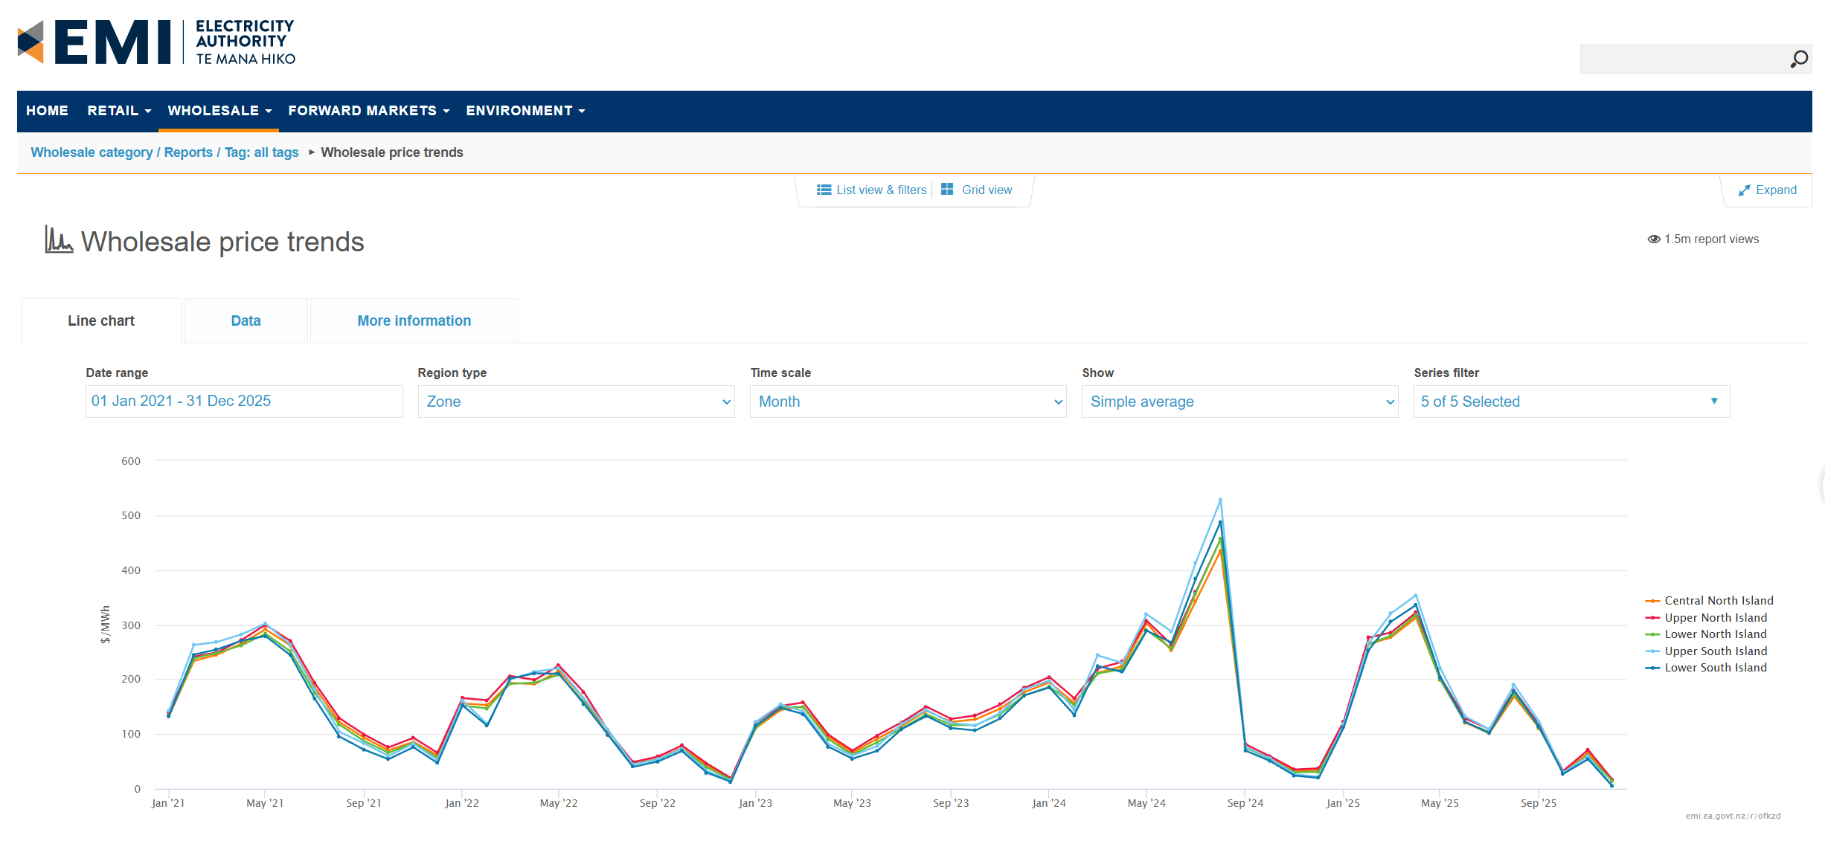
Parameters
Date range | 01 Jan 2021 - 31 Dec 2025
Region type | Zone
Time scale | Month |  |  | 5-YR AVERAGE:
Show | Simple average |  |  | 152.34966667

Period start | Period end | Region ID | Region | Price ($/MWh)
2021-01-01 | 2021-01-02 | UNI | Upper North Island | 138.6
2021-01-01 | 2021-01-02 | CNI | Central North Island | 132.82
2021-01-01 | 2021-01-02 | LNI | Lower North Island | 133.49
2021-01-01 | 2021-01-02 | USI | Upper South Island | 142.92
2021-01-01 | 2021-01-02 | LSI | Lower South Island | 132.86
2021-01-02 | 2021-01-03 | UNI | Upper North Island | 241.72
2021-01-02 | 2021-01-03 | CNI | Central North Island | 234.04
2021-01-02 | 2021-01-03 | LNI | Lower North Island | 238.74
2021-01-02 | 2021-01-03 | USI | Upper South Island | 262.9
2021-01-02 | 2021-01-03 | LSI | Lower South Island | 245.44
2021-01-03 | 2021-01-04 | UNI | Upper North Island | 249.07
2021-01-03 | 2021-01-04 | CNI | Central North Island | 244.65
2021-01-03 | 2021-01-04 | LNI | Lower North Island | 248.08
2021-01-03 | 2021-01-04 | USI | Upper South Island | 268.23
2021-01-03 | 2021-01-04 | LSI | Lower South Island | 254.47
2021-01-04 | 2021-01-05 | UNI | Upper North Island | 271.87
2021-01-04 | 2021-01-05 | CNI | Central North Island | 265.41
2021-01-04 | 2021-01-05 | LNI | Lower North Island | 262.42
2021-01-04 | 2021-01-05 | USI | Upper South Island | 282.22
2021-01-04 | 2021-01-05 | LSI | Lower South Island | 270.62
2021-01-05 | 2021-01-06 | UNI | Upper North Island | 299.94
2021-01-05 | 2021-01-06 | CNI | Central North Island | 291.55
2021-01-05 | 2021-01-06 | LNI | Lower North Island | 283.22
2021-01-05 | 2021-01-06 | USI | Upper South Island | 302.1
2021-01-05 | 2021-01-06 | LSI | Lower South Island | 279.28
2021-01-06 | 2021-01-07 | UNI | Upper North Island | 270.31
2021-01-06 | 2021-01-07 | CNI | Central North Island | 262.46
2021-01-06 | 2021-01-07 | LNI | Lower North Island | 251.22
2021-01-06 | 2021-01-07 | USI | Upper South Island | 263.76
2021-01-06 | 2021-01-07 | LSI | Lower South Island | 244.26
2021-01-07 | 2021-01-08 | UNI | Upper North Island | 193.89
2021-01-07 | 2021-01-08 | CNI | Central North Island | 185.82
2021-01-07 | 2021-01-08 | LNI | Lower North Island | 175.48
2021-01-07 | 2021-01-08 | USI | Upper South Island | 181.52
2021-01-07 | 2021-01-08 | LSI | Lower South Island | 165.51
2021-01-08 | 2021-01-09 | UNI | Upper North Island | 129.12
2021-01-08 | 2021-01-09 | CNI | Central North Island | 122.08
2021-01-08 | 2021-01-09 | LNI | Lower North Island | 117.15
2021-01-08 | 2021-01-09 | USI | Upper South Island | 104.17
2021-01-08 | 2021-01-09 | LSI | Lower South Island | 95.46
2021-01-09 | 2021-01-10 | UNI | Upper North Island | 98.95
2021-01-09 | 2021-01-10 | CNI | Central North Island | 93.24
2021-01-09 | 2021-01-10 | LNI | Lower North Island | 86.88
2021-01-09 | 2021-01-10 | USI | Upper South Island | 82.68
2021-01-09 | 2021-01-10 | LSI | Lower South Island | 71.3
2021-01-10 | 2021-01-11 | UNI | Upper North Island | 75.64
2021-01-10 | 2021-01-11 | CNI | Central North Island | 70.32
2021-01-10 | 2021-01-11 | LNI | Lower North Island | 65.83
2021-01-10 | 2021-01-11 | USI | Upper South Island | 60.11
2021-01-10 | 2021-01-11 | LSI | Lower South Island | 54.07
2021-01-11 | 2021-01-12 | UNI | Upper North Island | 93.18
2021-01-11 | 2021-01-12 | CNI | Central North Island | 85.83
2021-01-11 | 2021-01-12 | LNI | Lower North Island | 83.75
2021-01-11 | 2021-01-12 | USI | Upper South Island | 82.51
2021-01-11 | 2021-01-12 | LSI | Lower South Island | 76
2021-01-12 | 2022-01-01 | UNI | Upper North Island | 65.72
2021-01-12 | 2022-01-01 | CNI | Central North Island | 60.89
2021-01-12 | 2022-01-01 | LNI | Lower North Island | 56.55
2021-01-12 | 2022-01-01 | USI | Upper South Island | 52.7
2021-01-12 | 2022-01-01 | LSI | Lower South Island | 47.01
2022-01-01 | 2022-01-02 | UNI | Upper North Island | 165.76
2022-01-01 | 2022-01-02 | CNI | Central North Island | 156.04
2022-01-01 | 2022-01-02 | LNI | Lower North Island | 152.19
2022-01-01 | 2022-01-02 | USI | Upper South Island | 161.33
2022-01-01 | 2022-01-02 | LSI | Lower South Island | 152.29
2022-01-02 | 2022-01-03 | UNI | Upper North Island | 161.98
2022-01-02 | 2022-01-03 | CNI | Central North Island | 153.04
2022-01-02 | 2022-01-03 | LNI | Lower North Island | 146.97
2022-01-02 | 2022-01-03 | USI | Upper South Island | 118.14
2022-01-02 | 2022-01-03 | LSI | Lower South Island | 115.2
2022-01-03 | 2022-01-04 | UNI | Upper North Island | 206.49
2022-01-03 | 2022-01-04 | CNI | Central North Island | 193.63
2022-01-03 | 2022-01-04 | LNI | Lower North Island | 191.88
2022-01-03 | 2022-01-04 | USI | Upper South Island | 199.61
2022-01-03 | 2022-01-04 | LSI | Lower South Island | 201.55
2022-01-04 | 2022-01-05 | UNI | Upper North Island | 199.18
2022-01-04 | 2022-01-05 | CNI | Central North Island | 191.41
2022-01-04 | 2022-01-05 | LNI | Lower North Island | 194.12
2022-01-04 | 2022-01-05 | USI | Upper South Island | 213.99
2022-01-04 | 2022-01-05 | LSI | Lower South Island | 211.09
2022-01-05 | 2022-01-06 | UNI | Upper North Island | 225.36
2022-01-05 | 2022-01-06 | CNI | Central North Island | 215.3
2022-01-05 | 2022-01-06 | LNI | Lower North Island | 208.88
2022-01-05 | 2022-01-06 | USI | Upper South Island | 220.52
2022-01-05 | 2022-01-06 | LSI | Lower South Island | 210.28
2022-01-06 | 2022-01-07 | UNI | Upper North Island | 176.66
2022-01-06 | 2022-01-07 | CNI | Central North Island | 165.41
2022-01-06 | 2022-01-07 | LNI | Lower North Island | 158.98
2022-01-06 | 2022-01-07 | USI | Upper South Island | 165.68
2022-01-06 | 2022-01-07 | LSI | Lower South Island | 155.47
2022-01-07 | 2022-01-08 | UNI | Upper North Island | 106.51
2022-01-07 | 2022-01-08 | CNI | Central North Island | 98.85
2022-01-07 | 2022-01-08 | LNI | Lower North Island | 99.19
2022-01-07 | 2022-01-08 | USI | Upper South Island | 108.01
2022-01-07 | 2022-01-08 | LSI | Lower South Island | 98.85
2022-01-08 | 2022-01-09 | UNI | Upper North Island | 48.65
2022-01-08 | 2022-01-09 | CNI | Central North Island | 45.54
2022-01-08 | 2022-01-09 | LNI | Lower North Island | 44.78
2022-01-08 | 2022-01-09 | USI | Upper South Island | 44.5
2022-01-08 | 2022-01-09 | LSI | Lower South Island | 39.96
2022-01-09 | 2022-01-10 | UNI | Upper North Island | 58.81
2022-01-09 | 2022-01-10 | CNI | Central North Island | 55.01
2022-01-09 | 2022-01-10 | LNI | Lower North Island | 53.77
2022-01-09 | 2022-01-10 | USI | Upper South Island | 54.15
2022-01-09 | 2022-01-10 | LSI | Lower South Island | 49.94
2022-01-10 | 2022-01-11 | UNI | Upper North Island | 79.1
2022-01-10 | 2022-01-11 | CNI | Central North Island | 74.11
2022-01-10 | 2022-01-11 | LNI | Lower North Island | 73.4
2022-01-10 | 2022-01-11 | USI | Upper South Island | 73.15
2022-01-10 | 2022-01-11 | LSI | Lower South Island | 68.9
2022-01-11 | 2022-01-12 | UNI | Upper North Island | 46.19
2022-01-11 | 2022-01-12 | CNI | Central North Island | 42.44
2022-01-11 | 2022-01-12 | LNI | Lower North Island | 39.14
2022-01-11 | 2022-01-12 | USI | Upper South Island | 33.08
2022-01-11 | 2022-01-12 | LSI | Lower South Island | 29.43
2022-01-12 | 2023-01-01 | UNI | Upper North Island | 19.49
2022-01-12 | 2023-01-01 | CNI | Central North Island | 17.84
2022-01-12 | 2023-01-01 | LNI | Lower North Island | 16.69
2022-01-12 | 2023-01-01 | USI | Upper South Island | 14.01
2022-01-12 | 2023-01-01 | LSI | Lower South Island | 12.73
2023-01-01 | 2023-01-02 | UNI | Upper North Island | 121.48
2023-01-01 | 2023-01-02 | CNI | Central North Island | 111.06
2023-01-01 | 2023-01-02 | LNI | Lower North Island | 112.16
2023-01-01 | 2023-01-02 | USI | Upper South Island | 122.38
2023-01-01 | 2023-01-02 | LSI | Lower South Island | 116.2
2023-01-02 | 2023-01-03 | UNI | Upper North Island | 151.6
2023-01-02 | 2023-01-03 | CNI | Central North Island | 144.48
2023-01-02 | 2023-01-03 | LNI | Lower North Island | 149.5
2023-01-02 | 2023-01-03 | USI | Upper South Island | 154.22
2023-01-02 | 2023-01-03 | LSI | Lower South Island | 147.77
2023-01-03 | 2023-01-04 | UNI | Upper North Island | 157.76
2023-01-03 | 2023-01-04 | CNI | Central North Island | 150.31
2023-01-03 | 2023-01-04 | LNI | Lower North Island | 149.31
2023-01-03 | 2023-01-04 | USI | Upper South Island | 141.71
2023-01-03 | 2023-01-04 | LSI | Lower South Island | 136.78
2023-01-04 | 2023-01-05 | UNI | Upper North Island | 99.09
2023-01-04 | 2023-01-05 | CNI | Central North Island | 95.43
2023-01-04 | 2023-01-05 | LNI | Lower North Island | 90.6
2023-01-04 | 2023-01-05 | USI | Upper South Island | 82.12
2023-01-04 | 2023-01-05 | LSI | Lower South Island | 76.93
2023-01-05 | 2023-01-06 | UNI | Upper North Island | 69.89
2023-01-05 | 2023-01-06 | CNI | Central North Island | 66.3
2023-01-05 | 2023-01-06 | LNI | Lower North Island | 62.49
2023-01-05 | 2023-01-06 | USI | Upper South Island | 60.63
2023-01-05 | 2023-01-06 | LSI | Lower South Island | 55.13
2023-01-06 | 2023-01-07 | UNI | Upper North Island | 97.64
2023-01-06 | 2023-01-07 | CNI | Central North Island | 91.62
2023-01-06 | 2023-01-07 | LNI | Lower North Island | 85.43
2023-01-06 | 2023-01-07 | USI | Upper South Island | 78.17
2023-01-06 | 2023-01-07 | LSI | Lower South Island | 69.34
2023-01-07 | 2023-01-08 | UNI | Upper North Island | 121.36
2023-01-07 | 2023-01-08 | CNI | Central North Island | 114.89
2023-01-07 | 2023-01-08 | LNI | Lower North Island | 110.23
2023-01-07 | 2023-01-08 | USI | Upper South Island | 118.36
2023-01-07 | 2023-01-08 | LSI | Lower South Island | 108.85
2023-01-08 | 2023-01-09 | UNI | Upper North Island | 150.09
2023-01-08 | 2023-01-09 | CNI | Central North Island | 142.63
2023-01-08 | 2023-01-09 | LNI | Lower North Island | 136.14
2023-01-08 | 2023-01-09 | USI | Upper South Island | 144.15
2023-01-08 | 2023-01-09 | LSI | Lower South Island | 133.01
2023-01-09 | 2023-01-10 | UNI | Upper North Island | 127.79
2023-01-09 | 2023-01-10 | CNI | Central North Island | 122.29
2023-01-09 | 2023-01-10 | LNI | Lower North Island | 116.42
2023-01-09 | 2023-01-10 | USI | Upper South Island | 120.22
2023-01-09 | 2023-01-10 | LSI | Lower South Island | 110.9
2023-01-10 | 2023-01-11 | UNI | Upper North Island | 134.09
2023-01-10 | 2023-01-11 | CNI | Central North Island | 126.84
2023-01-10 | 2023-01-11 | LNI | Lower North Island | 116.33
2023-01-10 | 2023-01-11 | USI | Upper South Island | 115.63
2023-01-10 | 2023-01-11 | LSI | Lower South Island | 106.69
2023-01-11 | 2023-01-12 | UNI | Upper North Island | 153.91
2023-01-11 | 2023-01-12 | CNI | Central North Island | 146.68
2023-01-11 | 2023-01-12 | LNI | Lower North Island | 136.62
2023-01-11 | 2023-01-12 | USI | Upper South Island | 138.7
2023-01-11 | 2023-01-12 | LSI | Lower South Island | 128.63
2023-01-12 | 2024-01-01 | UNI | Upper North Island | 184.61
2023-01-12 | 2024-01-01 | CNI | Central North Island | 176.73
2023-01-12 | 2024-01-01 | LNI | Lower North Island | 171.16
2023-01-12 | 2024-01-01 | USI | Upper South Island | 181.93
2023-01-12 | 2024-01-01 | LSI | Lower South Island | 170.82
2024-01-01 | 2024-01-02 | UNI | Upper North Island | 204.39
2024-01-01 | 2024-01-02 | CNI | Central North Island | 194.68
2024-01-01 | 2024-01-02 | LNI | Lower North Island | 186.39
2024-01-01 | 2024-01-02 | USI | Upper South Island | 197.9
2024-01-01 | 2024-01-02 | LSI | Lower South Island | 185.28
2024-01-02 | 2024-01-03 | UNI | Upper North Island | 165.28
2024-01-02 | 2024-01-03 | CNI | Central North Island | 156.63
2024-01-02 | 2024-01-03 | LNI | Lower North Island | 152.99
2024-01-02 | 2024-01-03 | USI | Upper South Island | 144.54
2024-01-02 | 2024-01-03 | LSI | Lower South Island | 135.09
2024-01-03 | 2024-01-04 | UNI | Upper North Island | 220
2024-01-03 | 2024-01-04 | CNI | Central North Island | 211.79
2024-01-03 | 2024-01-04 | LNI | Lower North Island | 210.75
2024-01-03 | 2024-01-04 | USI | Upper South Island | 243.94
2024-01-03 | 2024-01-04 | LSI | Lower South Island | 224.46
2024-01-04 | 2024-01-05 | UNI | Upper North Island | 232.33
2024-01-04 | 2024-01-05 | CNI | Central North Island | 224.4
2024-01-04 | 2024-01-05 | LNI | Lower North Island | 218.9
2024-01-04 | 2024-01-05 | USI | Upper South Island | 229.92
2024-01-04 | 2024-01-05 | LSI | Lower South Island | 213.42
2024-01-05 | 2024-01-06 | UNI | Upper North Island | 307.23
2024-01-05 | 2024-01-06 | CNI | Central North Island | 302.67
2024-01-05 | 2024-01-06 | LNI | Lower North Island | 290.38
2024-01-05 | 2024-01-06 | USI | Upper South Island | 319.07
2024-01-05 | 2024-01-06 | LSI | Lower South Island | 288.97
2024-01-06 | 2024-01-07 | UNI | Upper North Island | 263.71
2024-01-06 | 2024-01-07 | CNI | Central North Island | 252.42
2024-01-06 | 2024-01-07 | LNI | Lower North Island | 256.15
2024-01-06 | 2024-01-07 | USI | Upper South Island | 287.35
2024-01-06 | 2024-01-07 | LSI | Lower South Island | 267.49
2024-01-07 | 2024-01-08 | UNI | Upper North Island | 359.63
2024-01-07 | 2024-01-08 | CNI | Central North Island | 343.37
2024-01-07 | 2024-01-08 | LNI | Lower North Island | 357.71
2024-01-07 | 2024-01-08 | USI | Upper South Island | 413.76
2024-01-07 | 2024-01-08 | LSI | Lower South Island | 384.21
2024-01-08 | 2024-01-09 | UNI | Upper North Island | 456.89
2024-01-08 | 2024-01-09 | CNI | Central North Island | 435.81
2024-01-08 | 2024-01-09 | LNI | Lower North Island | 456.9
2024-01-08 | 2024-01-09 | USI | Upper South Island | 528.65
2024-01-08 | 2024-01-09 | LSI | Lower South Island | 488.58
2024-01-09 | 2024-01-10 | UNI | Upper North Island | 81.35
2024-01-09 | 2024-01-10 | CNI | Central North Island | 76.51
2024-01-09 | 2024-01-10 | LNI | Lower North Island | 75.05
2024-01-09 | 2024-01-10 | USI | Upper South Island | 76.75
2024-01-09 | 2024-01-10 | LSI | Lower South Island | 69.66
2024-01-10 | 2024-01-11 | UNI | Upper North Island | 59.74
2024-01-10 | 2024-01-11 | CNI | Central North Island | 56.33
2024-01-10 | 2024-01-11 | LNI | Lower North Island | 54.96
2024-01-10 | 2024-01-11 | USI | Upper South Island | 55.96
2024-01-10 | 2024-01-11 | LSI | Lower South Island | 51.09
2024-01-11 | 2024-01-12 | UNI | Upper North Island | 35.23
2024-01-11 | 2024-01-12 | CNI | Central North Island | 32.96
2024-01-11 | 2024-01-12 | LNI | Lower North Island | 29.93
2024-01-11 | 2024-01-12 | USI | Upper South Island | 26.42
2024-01-11 | 2024-01-12 | LSI | Lower South Island | 24
2024-01-12 | 2025-01-01 | UNI | Upper North Island | 37.4
2024-01-12 | 2025-01-01 | CNI | Central North Island | 34.72
2024-01-12 | 2025-01-01 | LNI | Lower North Island | 31.13
2024-01-12 | 2025-01-01 | USI | Upper South Island | 21.83
2024-01-12 | 2025-01-01 | LSI | Lower South Island | 19.82
2025-01-01 | 2025-01-02 | UNI | Upper North Island | 123.03
2025-01-01 | 2025-01-02 | CNI | Central North Island | 116.82
2025-01-01 | 2025-01-02 | LNI | Lower North Island | 113.6
2025-01-01 | 2025-01-02 | USI | Upper South Island | 118.47
2025-01-01 | 2025-01-02 | LSI | Lower South Island | 112.05
2025-01-02 | 2025-01-03 | UNI | Upper North Island | 276.47
2025-01-02 | 2025-01-03 | CNI | Central North Island | 264.07
2025-01-02 | 2025-01-03 | LNI | Lower North Island | 264.77
2025-01-02 | 2025-01-03 | USI | Upper South Island | 266.53
2025-01-02 | 2025-01-03 | LSI | Lower South Island | 253.49
2025-01-03 | 2025-01-04 | UNI | Upper North Island | 285.86
2025-01-03 | 2025-01-04 | CNI | Central North Island | 277.05
2025-01-03 | 2025-01-04 | LNI | Lower North Island | 280.08
2025-01-03 | 2025-01-04 | USI | Upper South Island | 320.98
2025-01-03 | 2025-01-04 | LSI | Lower South Island | 305.92
2025-01-04 | 2025-01-05 | UNI | Upper North Island | 322.35
2025-01-04 | 2025-01-05 | CNI | Central North Island | 312.75
2025-01-04 | 2025-01-05 | LNI | Lower North Island | 317.91
2025-01-04 | 2025-01-05 | USI | Upper South Island | 353.94
2025-01-04 | 2025-01-05 | LSI | Lower South Island | 335.99
2025-01-05 | 2025-01-06 | UNI | Upper North Island | 204.8
2025-01-05 | 2025-01-06 | CNI | Central North Island | 199.39
2025-01-05 | 2025-01-06 | LNI | Lower North Island | 199.91
2025-01-05 | 2025-01-06 | USI | Upper South Island | 221.05
2025-01-05 | 2025-01-06 | LSI | Lower South Island | 204.55
2025-01-06 | 2025-01-07 | UNI | Upper North Island | 128.56
2025-01-06 | 2025-01-07 | CNI | Central North Island | 121.08
2025-01-06 | 2025-01-07 | LNI | Lower North Island | 121.55
2025-01-06 | 2025-01-07 | USI | Upper South Island | 132.17
2025-01-06 | 2025-01-07 | LSI | Lower South Island | 122.68
2025-01-07 | 2025-01-08 | UNI | Upper North Island | 109.14
2025-01-07 | 2025-01-08 | CNI | Central North Island | 101.54
2025-01-07 | 2025-01-08 | LNI | Lower North Island | 103.82
2025-01-07 | 2025-01-08 | USI | Upper South Island | 108.82
2025-01-07 | 2025-01-08 | LSI | Lower South Island | 101.7
2025-01-08 | 2025-01-09 | UNI | Upper North Island | 179.58
2025-01-08 | 2025-01-09 | CNI | Central North Island | 168.75
2025-01-08 | 2025-01-09 | LNI | Lower North Island | 173.67
2025-01-08 | 2025-01-09 | USI | Upper South Island | 189.78
2025-01-08 | 2025-01-09 | LSI | Lower South Island | 179.01
2025-01-09 | 2025-01-10 | UNI | Upper North Island | 117.04
2025-01-09 | 2025-01-10 | CNI | Central North Island | 110.99
2025-01-09 | 2025-01-10 | LNI | Lower North Island | 112.03
2025-01-09 | 2025-01-10 | USI | Upper South Island | 123.01
2025-01-09 | 2025-01-10 | LSI | Lower South Island | 113.23
2025-01-10 | 2025-01-11 | UNI | Upper North Island | 32.84
2025-01-10 | 2025-01-11 | CNI | Central North Island | 30.24
2025-01-10 | 2025-01-11 | LNI | Lower North Island | 30.04
2025-01-10 | 2025-01-11 | USI | Upper South Island | 30.07
2025-01-10 | 2025-01-11 | LSI | Lower South Island | 27.31
2025-01-11 | 2025-01-12 | UNI | Upper North Island | 71.23
2025-01-11 | 2025-01-12 | CNI | Central North Island | 65.59
2025-01-11 | 2025-01-12 | LNI | Lower North Island | 60.86
2025-01-11 | 2025-01-12 | USI | Upper South Island | 59.65
2025-01-11 | 2025-01-12 | LSI | Lower South Island | 54.12
2025-01-12 | 2026-01-01 | UNI | Upper North Island | 16.94
2025-01-12 | 2026-01-01 | CNI | Central North Island | 15.38
2025-01-12 | 2026-01-01 | LNI | Lower North Island | 14.25
2025-01-12 | 2026-01-01 | USI | Upper South Island | 5.6
2025-01-12 | 2026-01-01 | LSI | Lower South Island | 5.02

Depr.
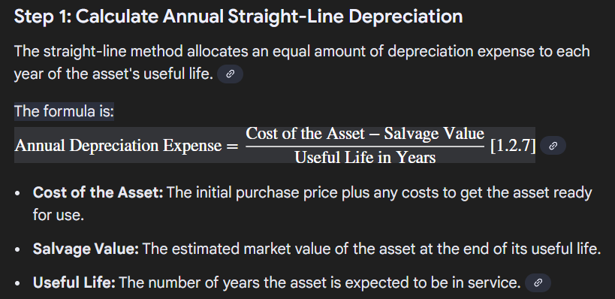
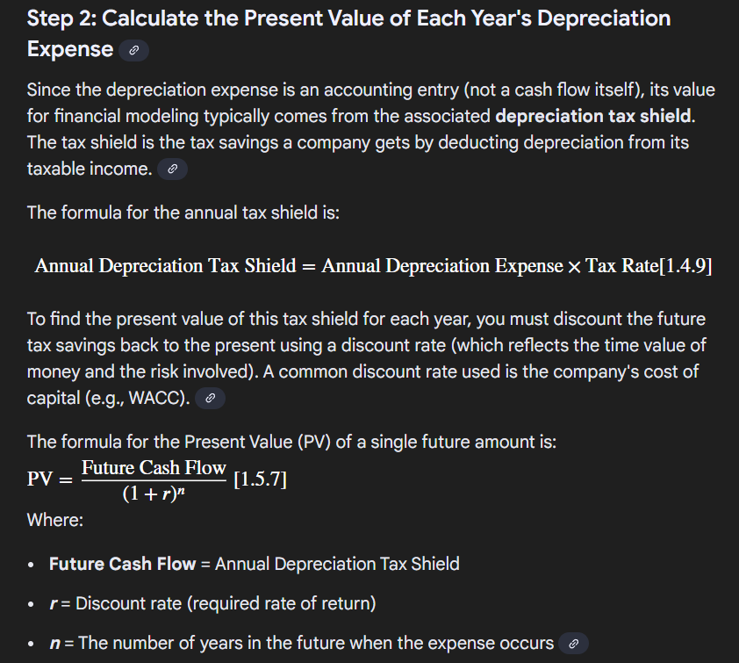
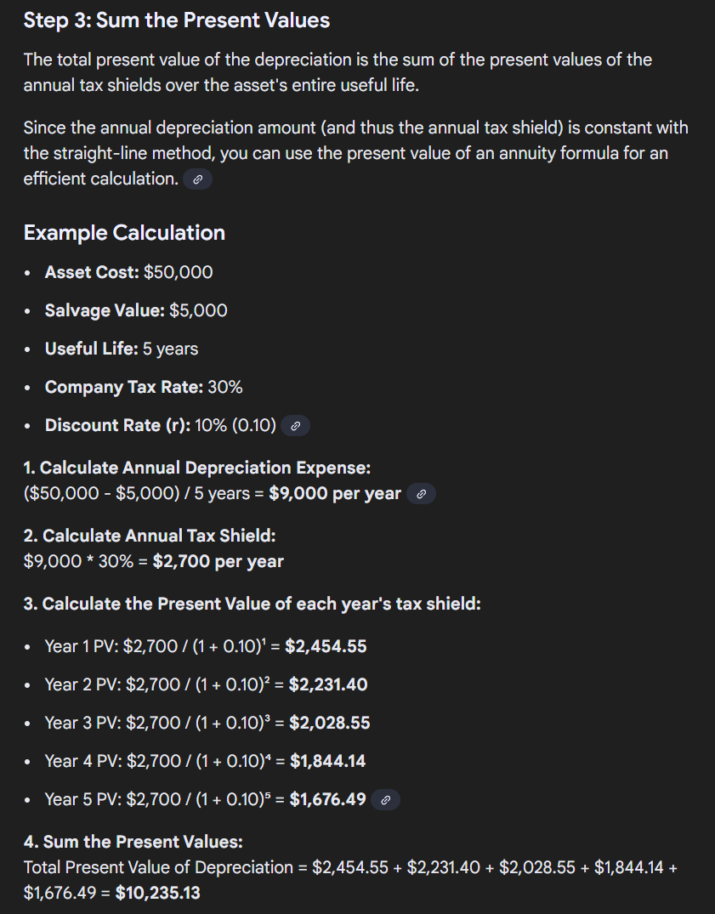
In New Zealand, businesses can generally choose between two primary methods for calculating depreciation on most assets:
Diminishing Value (DV) method: Depreciation is a constant percentage of the asset's adjusted tax value (the remaining value) each year, so the amount claimed reduces over time. This is the default method if no election is made.
Straight-Line (SL) method: The asset depreciates by the same amount each year, which is a constant percentage of its original cost price.
The Inland Revenue sets the specific depreciation rates for different types of assets, which are based on the asset's estimated useful life. You can find these rates using the IRD's depreciation rate finder.
For most assets, you can choose which method to use, and you can even change methods from year to year (except for pooled assets). There are also rules for immediately expensing low-value assets (currently those costing less than $1,000) and pooling assets.

From Gemini

