S01 Test Network
Figure 1. Simulink implementation of FS-PHS in the test network used for reactive power capability assessment

The test network consists of:
• FS-PHS unit
• 11/220 kV transformer
• Variable RLC load
• Infinite bus (represented using a three-phase AC voltage source operating at 220 kV)

S02 Base Load
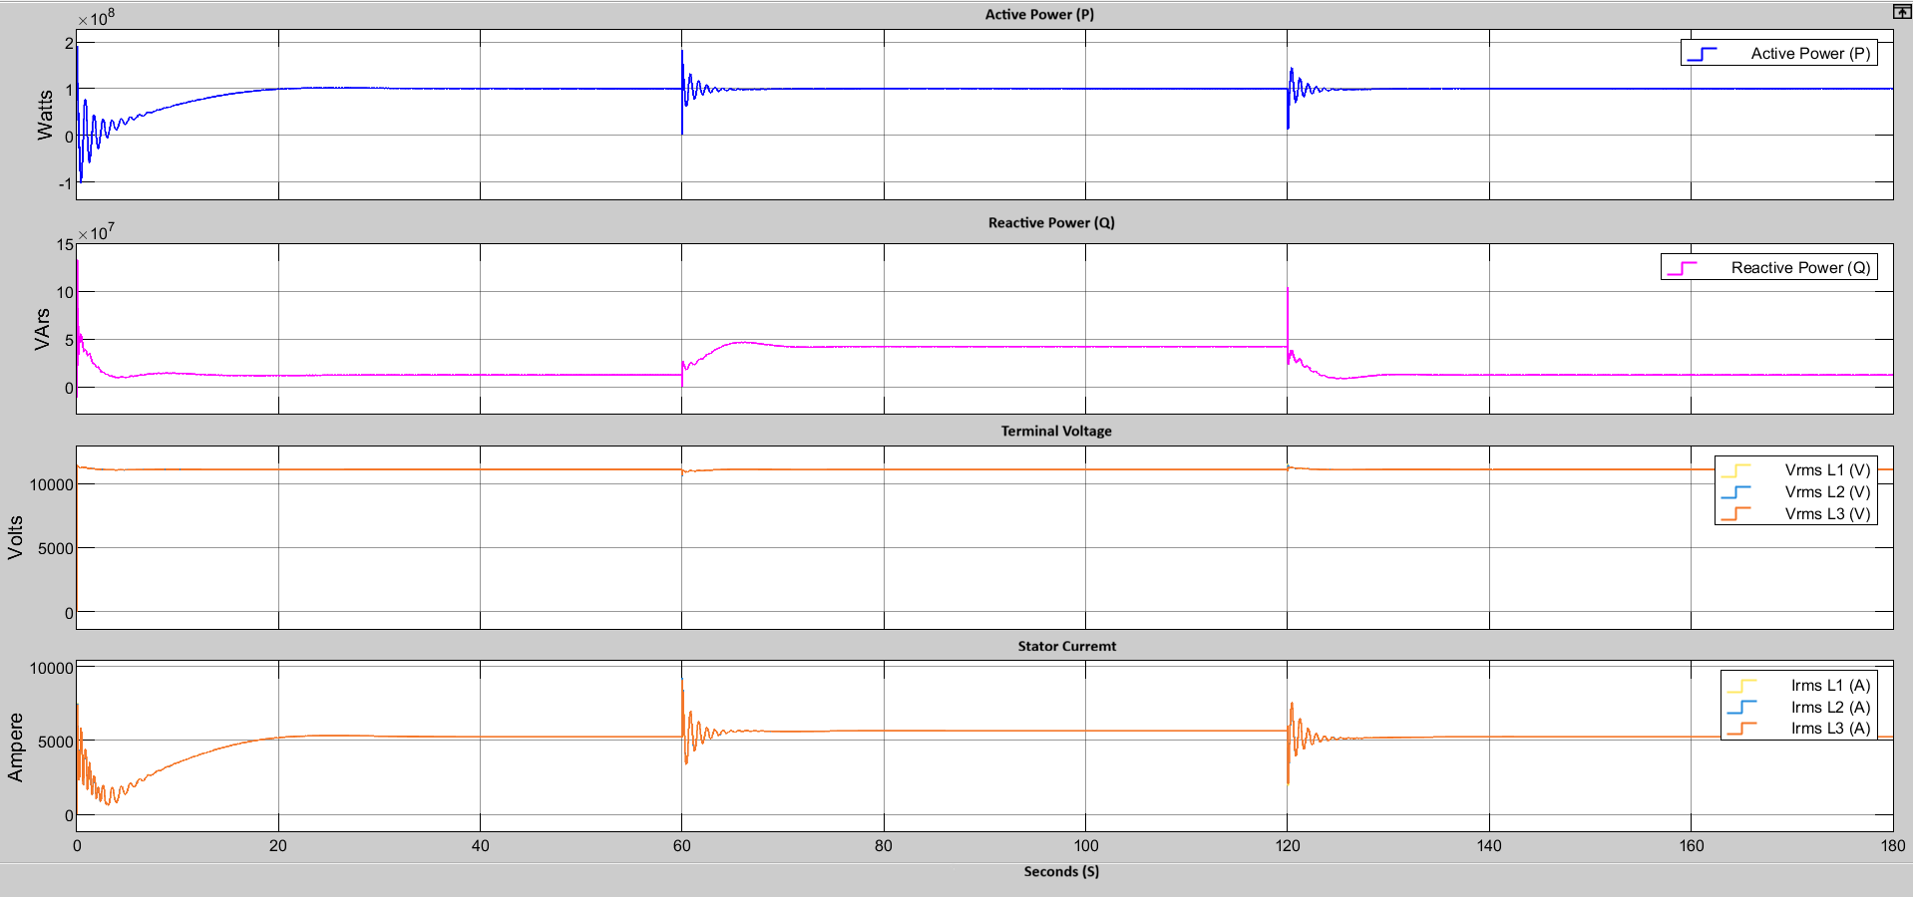

Figure 2. FS-PHS dynamic response under 300 MW network load

Under normal operating conditions, the synchronous generator operated at approximately 100 MW active power output while maintaining terminal voltage close to its rated value of 11 kV. The infinite bus supplied the remaining active-power requirement and network losses. Prior to the application of additional reactive loading, the generator produced approximately 12.61 MVAr of reactive power. This operating point served as the reference condition for subsequent sensitivity studies.

S03 Capacitive Case
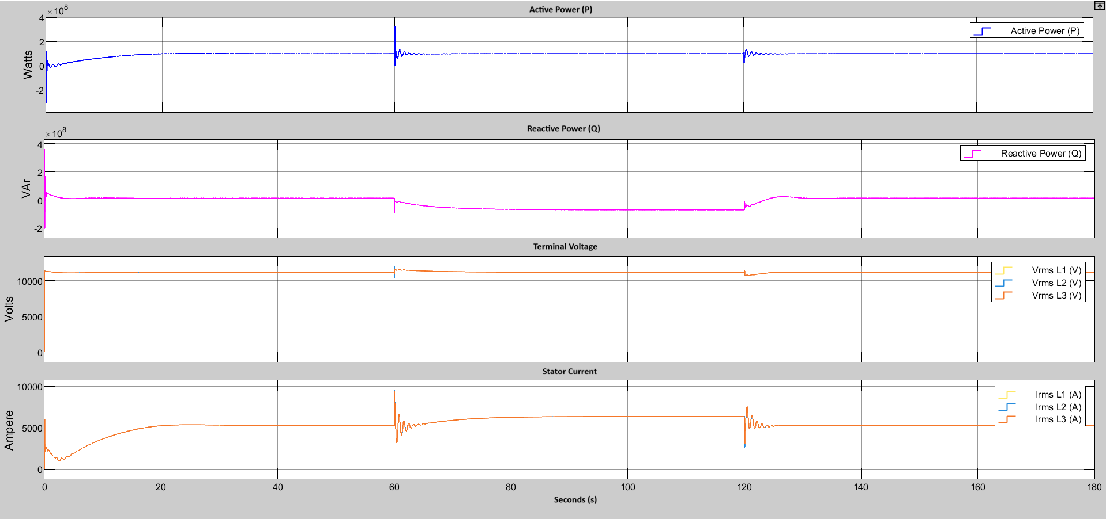

Figure 3. FS-PHS dynamic response under 300 MW, 125 MVAr capacitive loading

Capacitive reactive loads reduce the reactive power demand imposed on the synchronous generator and may require the machine to absorb reactive power to maintain voltage regulation. As the capacitive component of the connected load increased, the reactive power output of the synchronous generator progressively decreased and became negative. The simulation results showed that the generator was capable of absorbing approximately 75 MVAr of reactive power before reaching its operational limit. The minimum reactive power observed during the study was approximately -75.14 MVAr.

S04 Inductive Case
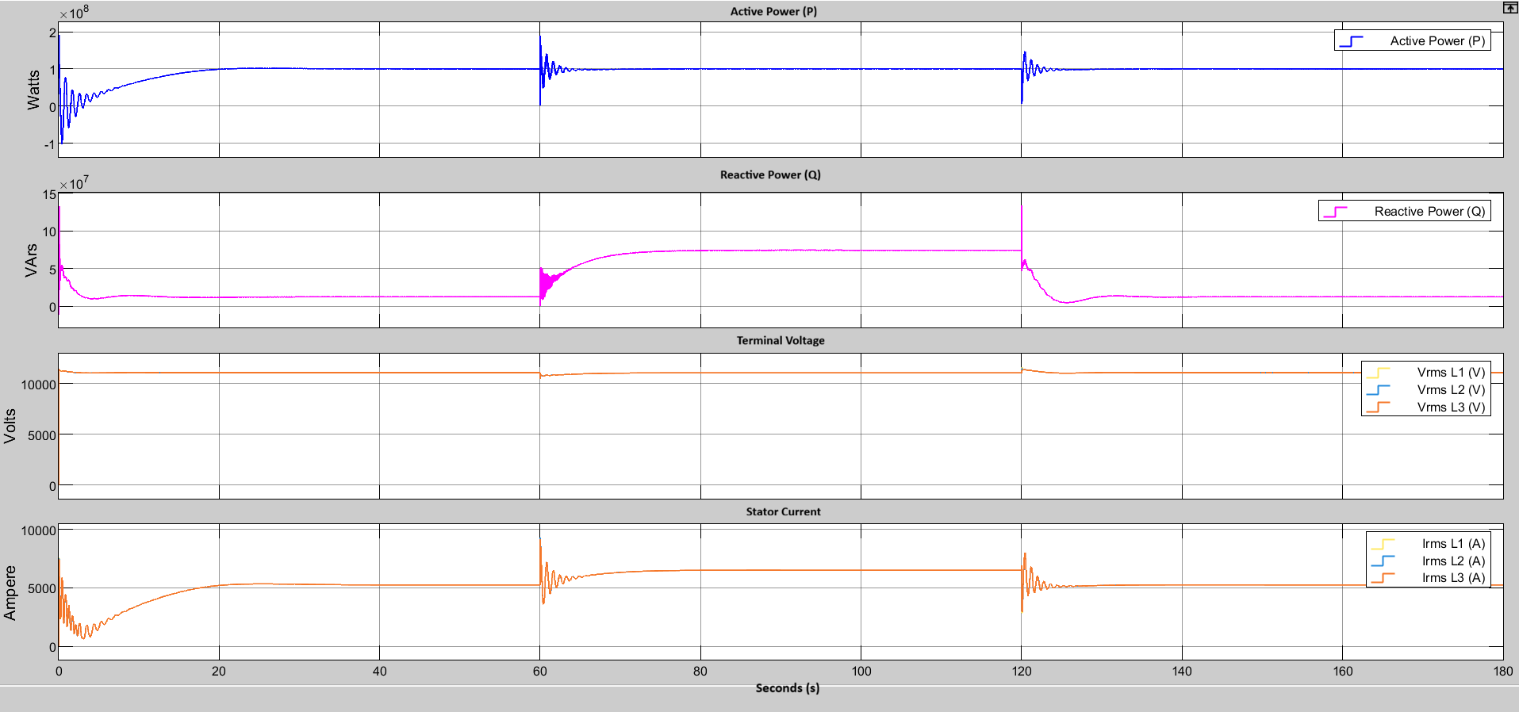

Figure 4. FS-PHS dynamic response under 300 MW, 35 MVAr inductive loading

Inductive loads require reactive power support from the generator to maintain acceptable voltage levels. Consequently, the excitation system increased field excitation to supply additional reactive power to the network. The simulation results demonstrated that the FS-PHS unit could supply approximately 75 MVAr of reactive power under heavily inductive loading conditions. The maximum observed reactive power output was approximately 75.12 MVAr.

S05 Modified IEEE 9 bus network
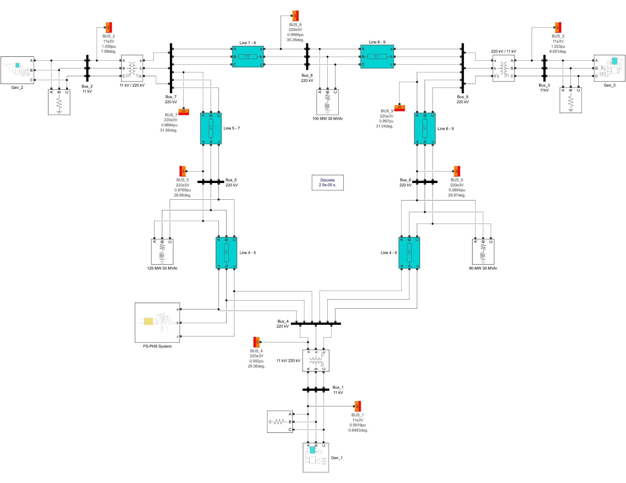

Figure 5. Simulink implementation of modified IEEE 9 bus network with FS-PHS connected at bus 4

Several modifications were made to the original IEEE 9-bus configuration to better represent New Zealand operating conditions:
• System frequency changed to 50 Hz
• Generator bus voltages changed to 11 kV
• Transmission voltage levels changed to 220 kV
• Transformer ratings adjusted accordingly
To evaluate system-level performance, the FS-PHS unit was connected at Bus 4 of the modified IEEE 9-bus network. When the FS-PHS unit was connected, Generator 1 was removed from service and replaced by the pumped hydro unit.

S06 Base Load Flow
Figure 5. Base case load flow results for modified IEEE 9-bus system

Initial load flow analysis was performed on the base network to identify potential voltage support requirements. The load flow results indicated that Bus 5 exhibited the lowest voltage magnitude within the system at approximately $0.97 p.u.,$ making it the weakest bus in the network.

S07 Integrated Load Flow
Figure 6. Load flow results after FS-PHS integration at bus 4

Generator 1 was removed from service and replaced with the FS-PHS unit connected at Bus 4. Generator 2 and Generator 3 were operated as PQ generators supplying 163 MW / 30 MVAr and 85 MW / 20 MVAr respectively. Subsequent load flow analysis indicated that the FS-PHS unit was required to provide approximately 71.32 MW of active power and 21.39 MVAr of reactive power to satisfy network requirements.

S08 IEEE 9 bus dynamic response
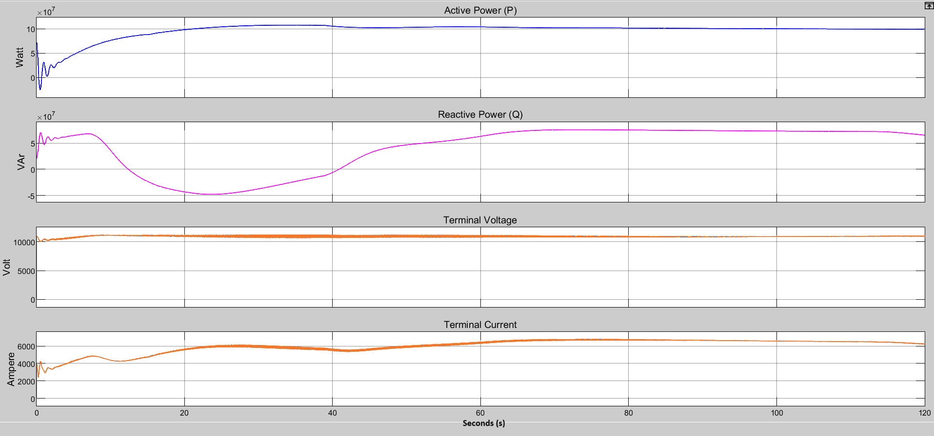

Figure 8. Dynamic response of FS-PHS following integration into IEEE 9-bus network

A 120 second electromagnetic transient simulation was performed without introducing any disturbance into the network. The simulation results showed that the FS-PHS unit stabilised at approximately 100 MW active power output and approximately 63 MVAr reactive power output.

S09 Bus 5 75 MVAr
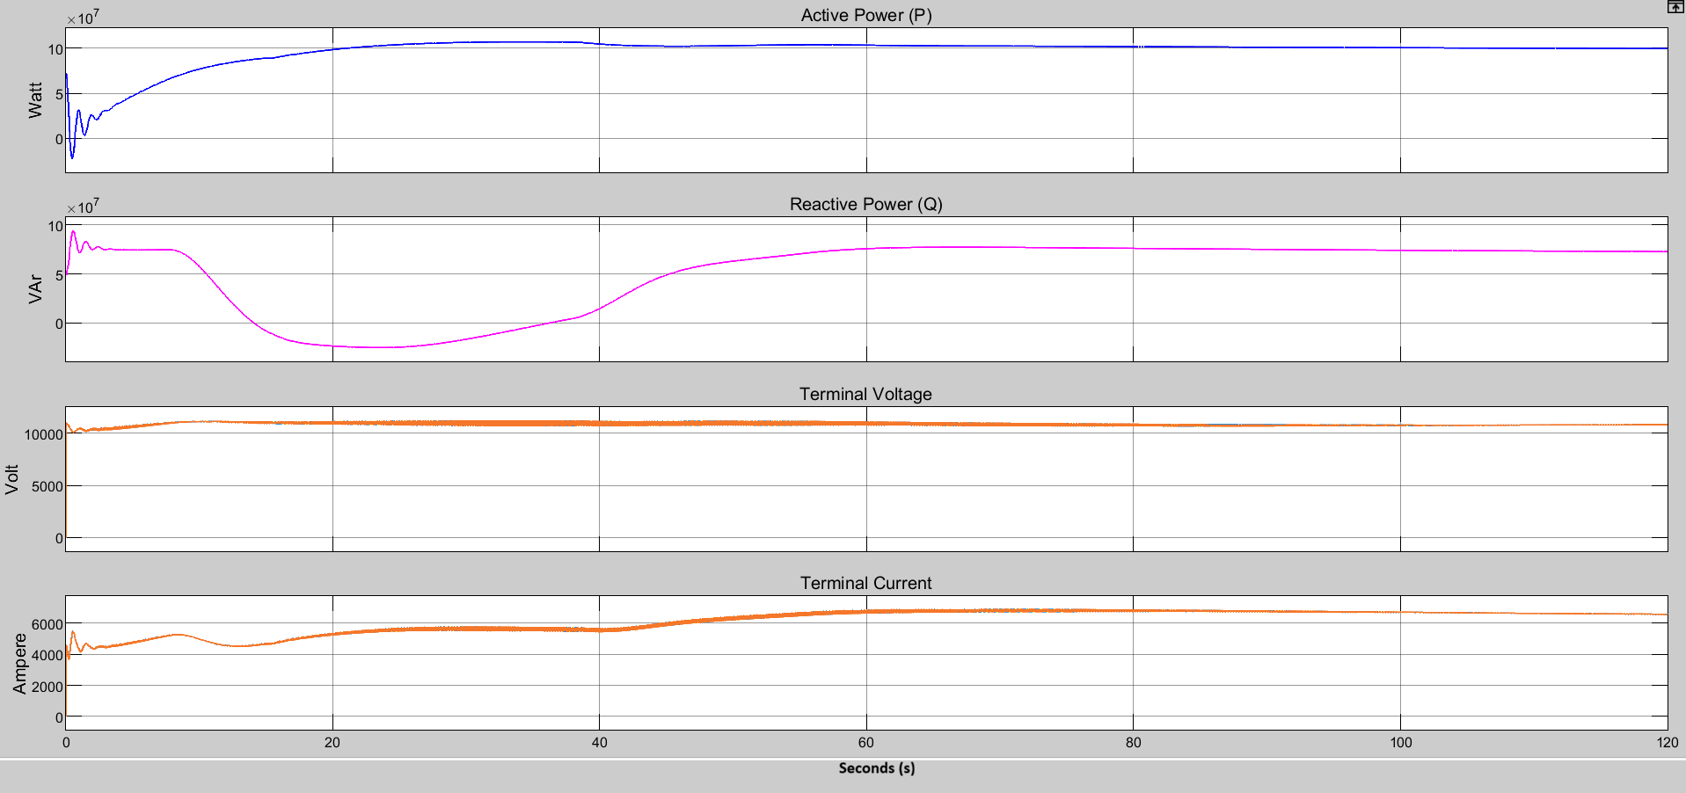

Figure 9. FS-PHS response following increase of bus 5 reactive load to 75 MVAr

To further investigate voltage support capability, the reactive power demand at Bus 5 was increased from 50 MVAr to 75 MVAr. Load flow analysis was repeated, and a 120 second EMT simulation was conducted. The results showed that the FS-PHS unit supplied approximately 99.6 MW active power and 72.74 MVAr reactive power.

S10 Bus 5 100 MVAr
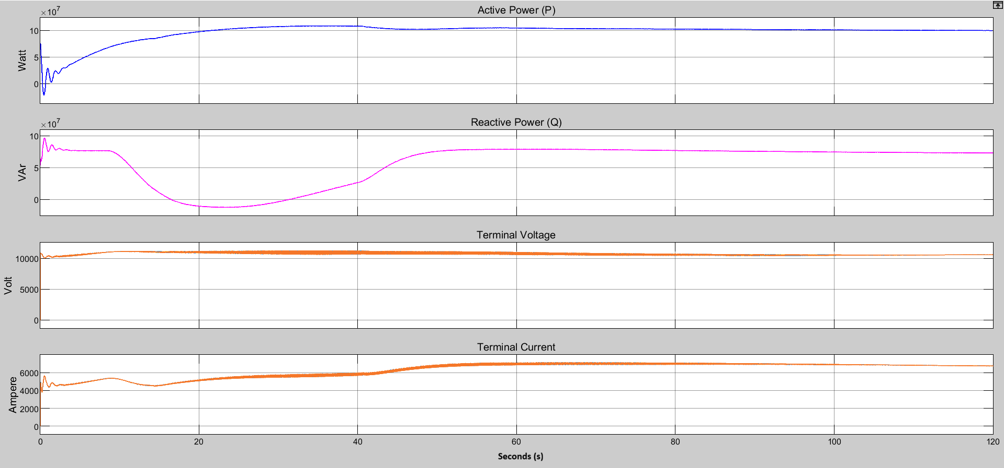

Figure 10. FS-PHS response following increase of bus 5 reactive load to 100 MVAr

A final scenario was investigated by increasing the Bus 5 load to 125 MW and 100 MVAr. This scenario was intended to determine whether the generator would exceed its rated reactive power capability. Simulation results showed that the FS-PHS unit supplied approximately 99.8 MW active power and 72.85 MVAr reactive power.

