FPV array modelling
System design modelling and simulation
Floating photovoltaic (FPV) array modelling
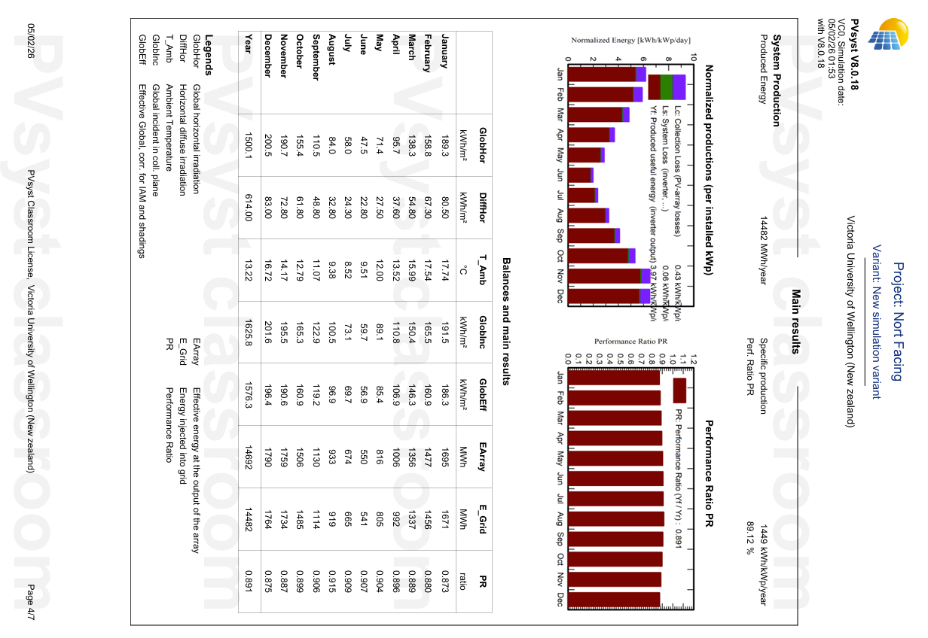
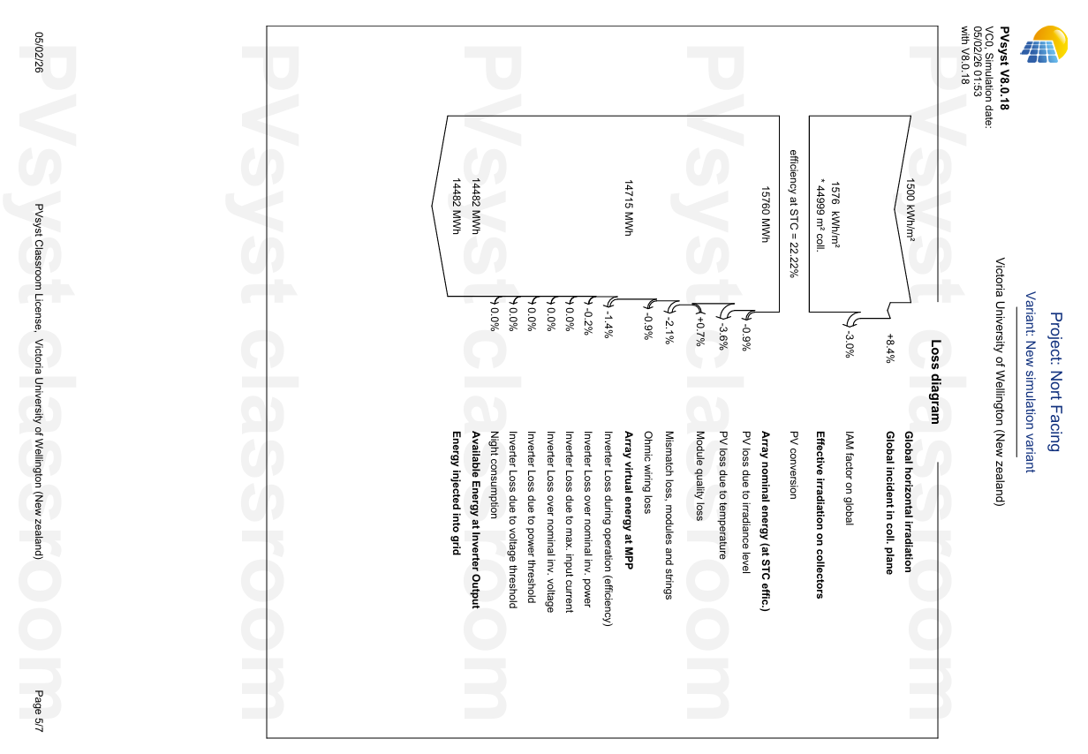
Project: North Facing
Project: North Facing

Solar irridance data, temperature data, and loss diagram
Source: Pvsyst

PHS Tech analysis
Results and discussion
Technical analysis

Proposed PHS setup with cost estimation - calculated daily volume (m^3) discharge
Hydro Power Basic Calculation |  |  |  |  |  |  |  |  | Penstock Diameter |  |  | Daily Water Discharge
Option | Turbine | Capacity (MW) | Efficiency (n) | Head (m) | Density (p) | Gravity (g) (m/s^2) | PS Length (m) | Max. Power Capicity | Flow Rate (Q) (m^3/s) | Velocity (m/s) | Diameter | Discharge Time (h) | Discharge Volume (m^3)
Option 1 | Francis | 5 | 80% | 160 | 1000 | 9.81 | 1000 | 7.81 | 3.98 | 6.22 | 0.90 | 10.00 | 143,348.62
 | Francis | 5 | 80% | 160 | 1000 | 9.81 | 1000 | 7.81 | 3.98 | 6.22 | 0.90 | 10.00 | 143,348.62
Option.2 | Francis | 10 | 80% | 160 | 1000 | 9.81 | 1000 | 7.81 | 7.96 | 6.22 | 1.28 | 10.00 | 286,697.25

PHS storage capacity utilisation (%)
Te Marua Current Capicity (Lower Resorvior) |  |  |  | PSH to use 10% of Storage Capacity (m^3)
Lakes | Area (m^2) | Depth (m) | Capacity (ML) | Capacity (m^3) | 10% (m^3) | Drop Level Est.(m) |  |  | Formulas Used
P$=ρ.g.V.H.ƞ$
Lake 1 | 136,806.45 | 16 | 1461 | 1,460,860 | 146,086 | 1.07 |  |  | Power
$$Q=P/ρ.g.V.H.ƞ$$
Lake 2 | 176,913.96 | 16 | 1889 | 1,889,140 | 188,914 | 1.07 |  |  | Flow Rate
Combine | 313,720.41 | 16 | 3350 | 3,350,000 | 335,000 | 1.07

Proposed upper reservior - Lake 3
Lakes |  | Area (m^2) | Depth (m) | Capacity (ML) | Capacity (m^3)
Option 1 | Lake 3 | 61,162 | 10 | 860 | 860,092
Option 2 | Lake 3 | 53,756 | 16 | 860 | 860,092

PHS technical data
Key Operating Parameter |  |  | Value | Units
Nameplate capacity |  |  | 10 | MW
Turbine type |  |  | Francis
Full pumping generation cycle |  |  | 10 | h
Full generation cycle |  |  | 10 | h
Total storage capacity |  |  | 300 | MWh
Ratio of pumping to generation cycle time |  |  | 1
Maximum generation output (at HV terminals) |  |  | 10 | MW
Maximum generation net water head |  |  | 160 | m
Maximum pump draw (at HV terminals) |  |  | 11 | MW
Maximum pump draw net water head |  |  | 160 | m
Minimum generation net water head |  |  | 155 | m
Minimum pump draw net water head |  |  | 9.7 | MW
Head to Length Ratio |  |  | 0.16 | >0.1
Round Tripl efficiency |  |  | 80% | %

